9-13.Quality Attributes
9.Chemical Standard
Test Item |  | EU MRL standard | Country of Origin MRL Standard | Test Frequency
Lead (Pb) |  |  | ≤1.0mg/kg | once a year
Cadmium |  |  | ─
Mercury |  |  | ─
Arsenic |  |  | ≤0.5mg/kg | once a year
Mycotoxins |  |  | ND | Based on customers' requirement (Testing not required by the national standard)
Pesticides |  |  | ND | once a year
pH |  |  | N/A
Salt |  |  | 8-10g/100ml | Every batch
Acidity |  |  | N/A
Moisture |  |  | N/A
Other: 3 MCPD |  |  | ND | Based on customers' requirement (Testing not required by the national standard)
10.Acrylamide
Are Products at risk of acrylamide? |  |  |  |  | No
If Yes. What mitigation measures are in place to manage acrylamide levels with the food? |  |  |  |  | No
11.Radioactivity | *occurs naturally in all food and can be transferred into food in different ways eg crops from soil, drinking water from the earth, Fish and Shellfish from the water or Sea floor.
Has the product/ingredient been irradiated? |  |  |  |  | No
Is the product/ingredient subject to potential radioactive cross contamination? |  |  |  |  | No
If yes, what controls in place
Has the product/ingredient been imported into the UK from a country that has high levels of radioactivity? |  |  |  |  | No
If Yes, how is this controlled and what checks are carried out?
12.Microbiology Standards | *Please insert GB standard
Micro-organisms | Type | EU satisfactory in ready to eat | Country of Origin Standard | Manufacturer Standard | Test Frequency
TVC | Quality Indicator | <104 | <30000 | <10,000 | Minimum one sample/day
Escherichia coli | Hygiene indicator | <20 | − | − | −
Enterobacteriaceae | Hygiene indicator | <100 | − | − | −
Coliforms | Hygiene indicator | − | − | <100 | Minimum one sample/day
Listeria spp | Hygiene indicator | Not Detected | − | − | −
Listeria monocytogenes | Pathogens | Not Detected | − | Not Detected | Every batch
Campylobacter spp. | Pathogens | Not Detected | − | − | −
Escherichia coli O157 | Pathogens | Not Detected | − | − | −
Salmonella spp. | Pathogens | Not Detected | Not Detected | Not Detected | Every batch
Shigella spp. | Pathogens | Not Detected | − | − | −
Vibrio cholera (O1 and O139) | Pathogens | Not Detected | − | − | −
Vibrio parahaemolyticus | Pathogens | <20 | − | − | −
Bacillus cereus | Pathogens | <103 | − | − | −
Bacillus spp. | Pathogens | <103 | − | − | −
Clostridium perfringens | Pathogens | <10 | − | − | −
Staphylococcus aureus and other coagulase-positive staphylococci | Pathogens | <20 | 1000 CFU/ml | Not Detected | Every batch
13.Quality Attributes
Standard Product Photo & Description |  | Rejected Product Photo& Description
IE. Grading, Sizing, Appearance, Flavor/taste, Texture, Colour, smell |  | IE. Grading, Sizing, Appearance, Flavor/taste, Texture, Colour, smell
Appearance:Clear dark reddish brown |  | Appearance: Not clear dark reddish brown
Taste:Soy sauce aroma taste |  | Taste: Without soy sauce aroma taste
Texture: Liquid |  | Texture: Muddy liquid
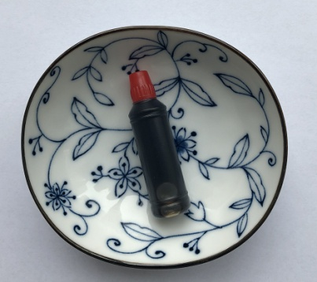 |  |  | 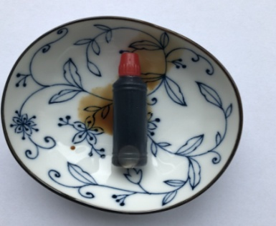

14-16.Quantity&packaging info
14.Quantity Attributes
 | Unit | Case
Unit Drained Weight (If Product contains liquid) | N/A | N/A
Net Weight | 2.4g | 10.8kg
Gross Weight | 3.3g | 15.56kg
Is the product packed in a Protective atmosphere? (if yes, indicate the composition on gases used if applicable) |  |  | No
Is the product vacuum packed? |  |  | No
Primary Package Plastic Material Comply with Commission Regulation (EU) No 10/2011 |  |  | Yes
15.Packaging Weight Dimensions
 | Description/Color | Materials *please indicate the plastic material from below 01-07 | Weight (g) | Dimensions (mm)

Primary： | transparent bottle | 02 | 0.9 | L 36
 |  |  |  | W
 |  |  |  | H 13
Secondary: | blue bag | 04 | 13.5 | L 300
 |  |  |  | W 280
 |  |  |  | H
Tertiary: | brown | Corrugated paper carton | 820 | L 417
 |  |  |  | W 287
 |  |  |  | H 269

16.Pallet Configuration
 | EU Pallet Configuration (0.8m x 1.2m) |  | UK Pallet Configuration (1.0m x 1.2m)
Cases per layer | 6 |  | 9
Number of layers | 6 |  | 6
Pallet height | 1.614m |  | 1.614m
Pallet weight | 568.8kg |  | 853.2 kg
20FCL Max Load | 829 |  | 829
40FCL Max Load | 1500 |  | 1500
Pallet Top-View | 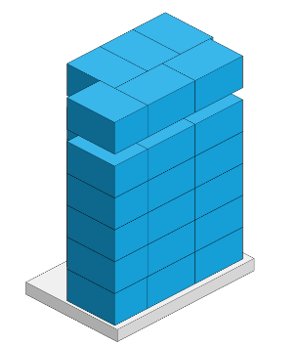 |  | 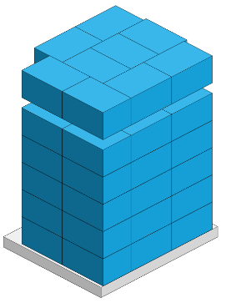
 | *pallet height must lower than 1.75m

17-20.HACCP,Artwork&SpecAuthor.
17.Process Flow Chart- (showing all CCPs)
Please provide in the form a Critical Control Point (CCP), a description of the process/packing operations including processing times tempuratures where applicable and in process Safery Control Checks (CCP Summary) and Quality Checks.
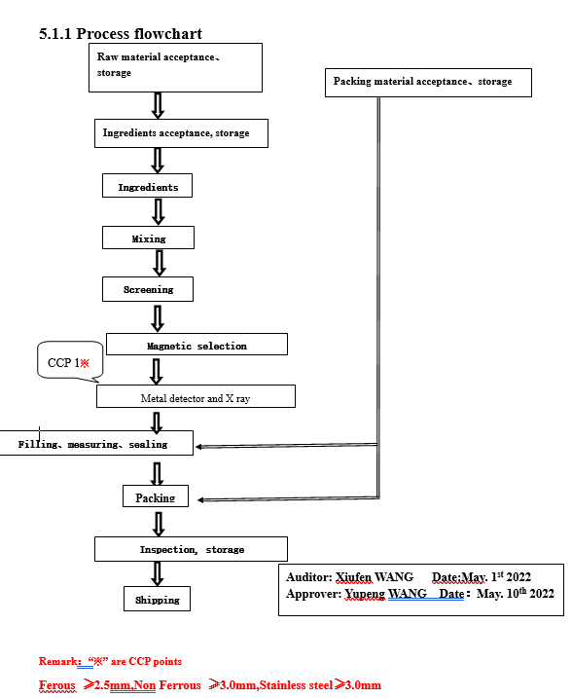

18.Critical Control Points
CCP | Control Measure |  | Critical Limit | Monitoring Frequency
CCP1 | Metal detector |  | FeΦ2.5mm, Non Fe Φ3.0mm SusΦ3.0mm | Every batch
19.Artwork
Inner Label / Package Design artwork |  | Outer Label / Package Design artwork
N/A |  | 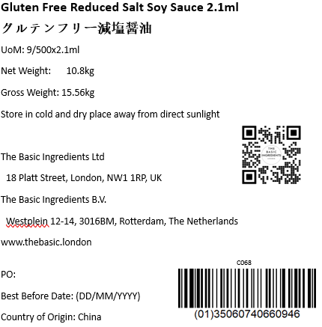

20.Packaging Photos
Finished Product with Primary package | Outer Case (Secondary) |  | Tertiary
 | 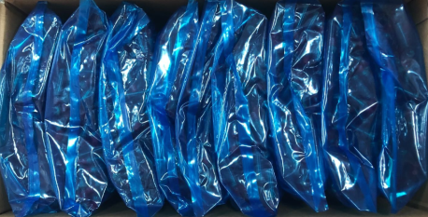 |  | 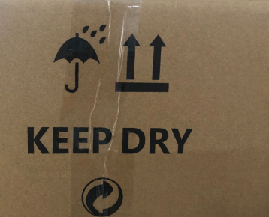
Specification Authorization
1.Product to be supplied in accordance with this agreed specification. No changes are to be made without prior knowledge and prior written agreement of The Basic Ingredients Ltd technical department. 2.The contents of this specification are confidential and should not be disclosed to a third party without a written approval of The Basic Ingredients Ltd technical department.
Manufacture Name | Dalian Tianzhou Wine Industry Co., LTD
Signature
Print Name | Joanna WANG
Position in Company | Account Manager
Date | 2023-05-02

The Basic ingredients team use only
Signature | 邓瞿友忱
Print Name | Nancy Deng
Position in Company | Technical Account Manager
Date | 2023-05-02

